Sheet1
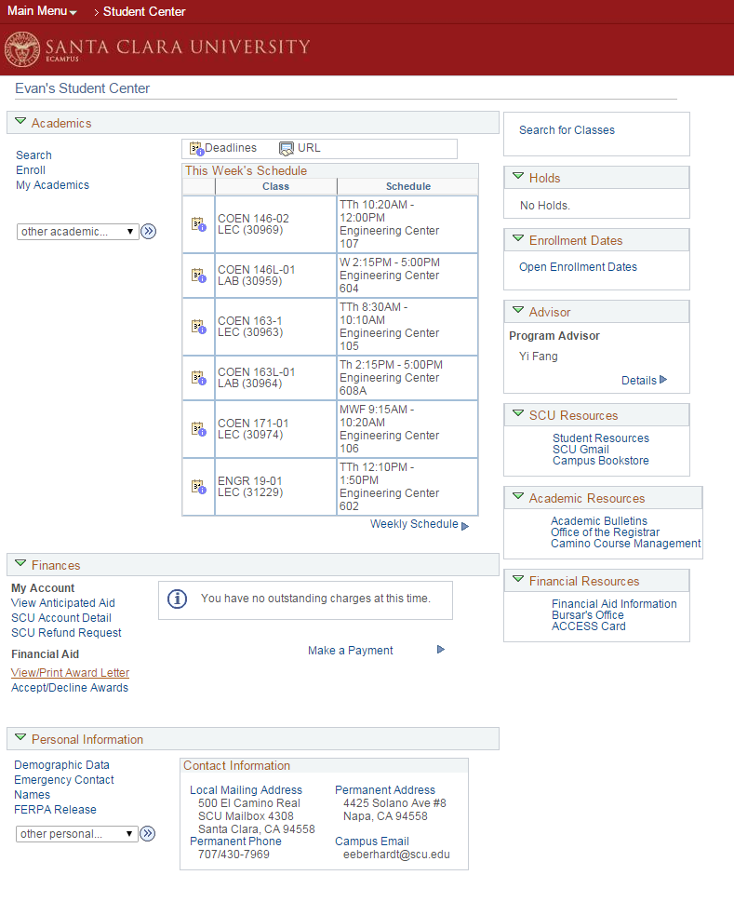
Violations |  | Evan Eberhardt, Kevin Ta
Note any violations that you find, and rate the severity. Feel free to provide multiple violations per heuristic.
Heuristic | Severity | Description | Improvement
H7 | Major | Using browser back button can cause logout | Enable back button to navigate Ecampus itself
H1, H4 | Minor | Options under "Personal Portfolio" on the main page lead to a correspoding module as evidenced by (inconsistently) corresponding tabs on said module, but the module page contains no header that reads "Personal Portfolio" | Make options under the main page's "Personal Portfolio" match the tabs on the page they lead to, and add a matching "Personal Portfolio" header to the same page.
H1 | Major | There is no indication of path from homepage to current page or moduke, and thus lack of ability to go to any of previous pages in the hierarchy. | Implement breadcrumbs
H3, H5 | Medium | After going into a subsection, such as one of the options listed under "Personal Porfolio," it is not immediatelyobvious how to swich to another section or tab. The user must click a small drop down menu and navigate from there, or be forced to the home page. Some pages, like "Personal Data Summary" have no obvious indication of how to get back to other pages. | Use breadcrumbs or visible links to other parts of Ecampus
H2, H4 | Major | "My Page" leads to ads and sponsorships more useful for a "more information" page instead of profile information, and may mislead a user looking for profile information. Inconsistent with "Personal Portfolio." | Remove "My Page" entirely, turn it into a "More" page, or actually make it a personalizable profile.
H4, H8 | Minor | "Personal Portfolio" area and "Personal Information" tabs are separate but contain same/similar information, but have different sections/names/format. | In the student center column, remove the repetitive "Personal Information" subsection.
H4, H8 | Minor | "Ferpa Release" is contained within both "Personal Information" and "Student Records," inconsistent. It's second appearance is irrelevant to design | Remove the second occurrence of "Ferpa Release" from "Personal Information on the home page.
H7 | Major | Ecampus is the only way to get to "Manage On Campus Housing," but does not include a go back function between the two. | Implement back function on the oncampus housng page that leads back to Ecampus, or make the link open a new window instead of navigating the page away from Ecampus
h10 | Major | There is no comprehensive help guide | Create a help page
H10 | Major | Modules, not including enrollment, do not have adequate step by step help. | Add helpful feedback and guidelines other than "Field is required," when doing certain tasks. Do not leave drop down selection menues blank, fill it in with "Select one."
H9 | Medium | You can go through the entire process of adding a class up to the submit button, and only at the end be told that you can't register because it's not currently an enrollment period. The error appears way too late. | If it is not an enrollment period, cause an error message/page when clicking "add" or "swap", barring access to the invalid process entirely.
H6 | Minor | There are no useful icons beyond those on the leftmost column of the main page. | Use icons throughout the website, not just on one menu
H6 | Minor | There is a steep learning curve to using the unintuitive design | Implement a first time walk through, and/or make the path through the functions more straight forward. Provide progress indicators.
H9, H4, H5 | Major | I'm able to click "My Academics" and then use a drop down menu to pick "Student Center" to get a version of the home page that does not include the left-most tab. Breaks the design of the site (screenshot). | The code for this particular link is simply broken, and remove the old version of the home page. The left column ought to be visible throughout.
H8, H3 | Minor | Style is clunky. I am unable to edit the contents of "My Page" even inside a window called "Personalize Content" in which the check-boxes are permanently checked. | Get rid of "My Page" entirely or add personalization functions to it, including removing the permanently checked check-boxes.
H3 | severe | When enrolling for classes, quitting partway through adding to the cart returns the user to the home page instead of to the search results that the user was previously viewing. | Include functionality to return to previous page.
H4 | medium | Clicking the logo links to the SCU home page when the user would normally expect it to return them to ecampus's home page. | The logo should link to ecampus's home page.
H2 | severe | When enrolling for classes and quitting partway through adding to cart, "OK" resumes the process while "cancel" returns the user to the home page when "cancel" could have easily referred to cancelling the process of exiting the current page and "OK" could have meant that the user wants to confirm exiting. | Switch around the "cancel" and "OK" buttons' functions.
H5 | medium | Changing a preferred language or default email has it occur immediately rather than confirming it with the user first. This can be especially inconvenient if the preferred language is accidentally changed to one that the user does not understand. | Add a "Confirm Change" pop up when making these changes.
H3 | severe | To view other options (i.e. personal portfolio, bursar office, housing, etc.), the user constantly needs to return to the home page. | Add navigation to the other pages.
H7 | severe | Lacks functional accelerators. There are multiple links to the same page on the home page that neither makes navigation quicker for advanced users nor novice users. | Remove repeating links.
H7 | medium | Font and visual graphics inconsistent in style between student center, HR-Self Service, and My Page Tabs, as well as modules and subsections. | Standardize!
H9 | severe | When encountering problems enrolling, the error message may or may not explaing how it can be resolved. | Go through and create the missing instructions for each error in the enrollment process.

Conformity
If for a particular heuristic you did not find a violation, state at least one way in which the website ensured conformity.
Heuristic | Description
H3 | There is, at least, some control over the layout of pages, but only inasfar as how many columns there are and on which column content goes.

